Hiearchy View
CLASS: FUSION SPLICER
A device to join two optical fibers end-to-end. The goal is to fuse the two fibers together in such a way that light passing through the fibers is not scattered or reflected back by the splice |  | 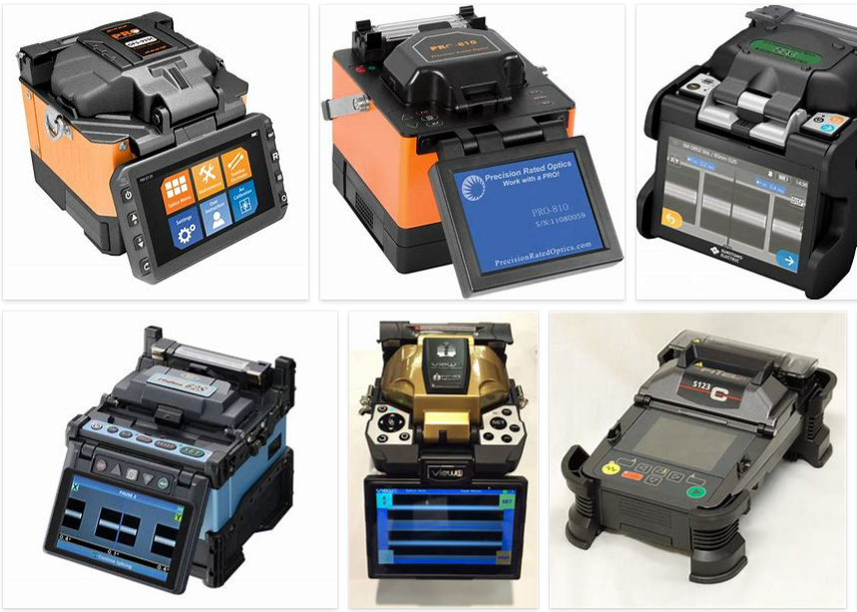
REMOVE | N

PROBLEM_DESC | CAUSE_DESC | REMEDY_DESC
BROKEN/DAMAGED
NOISE
OTHER PROBLEM
OVERHEATING
POWER-ELEC
SMELL
STOPPED/SLOWED/POOR OPS
TEMP-CTRL
VIBRATION
Grand Total

